Sheet1


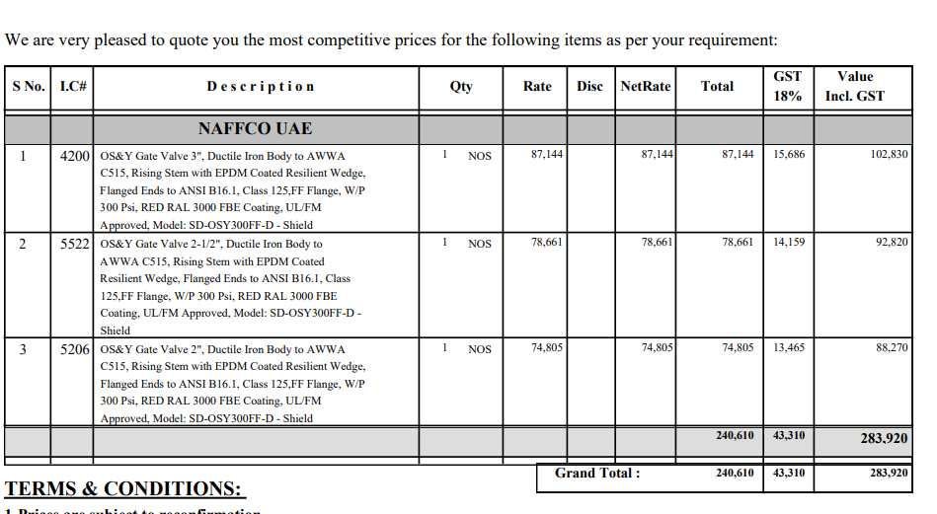

M/S IK Associates |  |  |  |  |  |  |  | 2024-12-14

Project: J Outlet Zeta Mall Islamabad

Attn: Syed Talal Tariq

Variation # 1
Supply & installation of OS&Y Gate valve - J Outlet Zeta Mall Islamabad.

S. # | Description | Material Rate | Labour Rate | Over Head profit 25% | Total Rate | Unit | Qty | Amount
1 | Supply and installation of OS&Y Gate Valve 3" Dia Brand Shield | 102,830 | 7,000 | 27,458 | 137,288 | No | 1 | 137,288
2 | Supply and installation of OS&Y Gate Valve 2-1/2" Dia Brand Shield | 92,820 | 6,000 | 24,705 | 123,525 | No | 1 | 123,525
3 | Supply and installation of OS&Y Gate Valve 2" Dia Brand Shield | 88,270 | 5,000 | 23,318 | 116,588 | No | 1 | 116,588
4 | Supply and installation of Flanges, nut bolts & gaskets. | 30,000 | 15,000 | 11,250 | 56,250 | Job | 1 | 56,250
Total Amount Rs. |  |  |  |  |  |  |  | 433,650

Note: Supplier's quotation attached

Thanking you,

For PIONEER ENGINEERING SERVICES.

Bilal Habib

